Application Screen
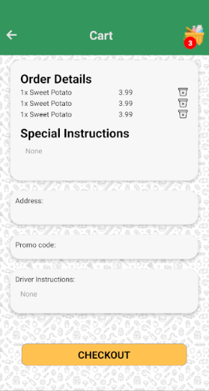
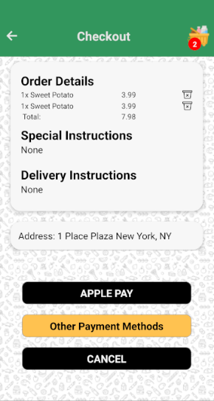

Test Case 9
TC Title: | TC9. Manage Orders(make edits) - Data Flow Out

TC Objective: | To test if the data entered by a user to leave an instruction reflects properly on the Checkout page.

Data Flow Diagram | 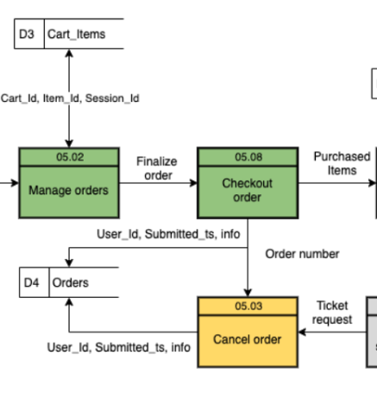

TC Description | Step | Step Description | Expected Results
 | 1 | Enter text in the 'Special Instructions' box | Verify the text at the special instructions area on the Cart page, if no input display 'None'.
 | 2 | Enter code in the 'Promo Code' box. | Verify the Display of promo code at the promo code area.
 | 3 | Enter text in the 'Driver Instructions' box. | Verify the display of text at the driver instructions area on the Cart page, if no input display 'None'.
 | 4 | Enter address information in the 'Delivery Address' box. | Verify the display of Delivery Address information is displayed in the delivery address field on the Cart page.
 | 5 | Click on 'Checkout' button | Verify there is a route to the Checkout page and show the same text at the special and driver instructions area on the Checkout page. In the total price show the discounts if the promo code is successfully used, or a failed message if the promo code is invalid.

